Table 21
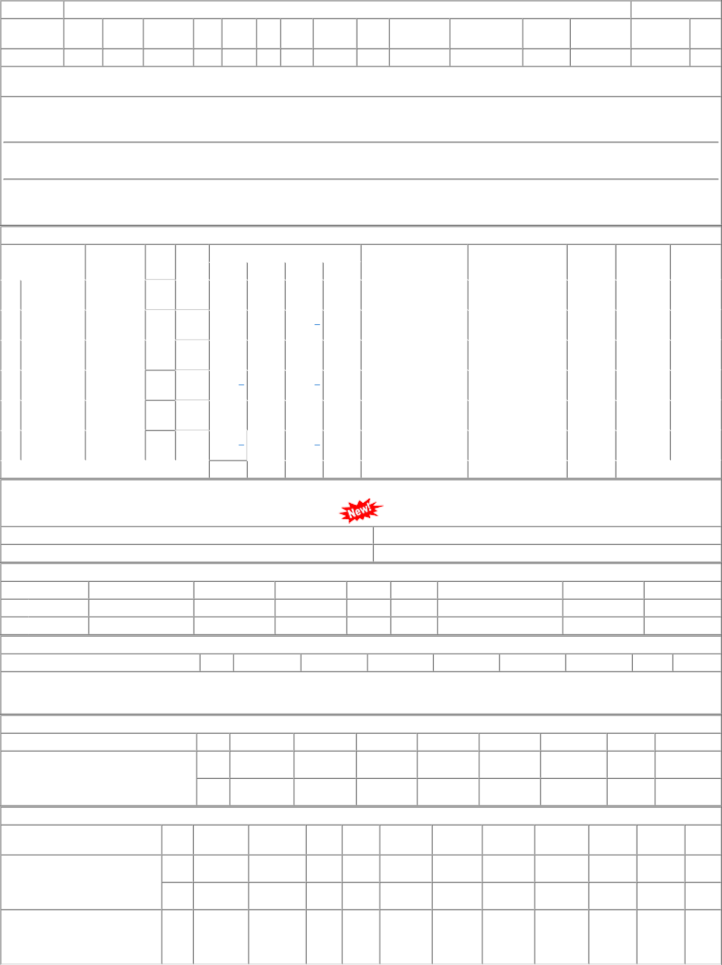
P.O.No.15220605105198 dt.12/10/22 on M/s.AFFINE STEELS PVT. LTD.- HARIDWAR PO-CAT:[ Reg ] P.O.No.15220605105113 dt.06/10/22 on M/s.ATUL ENGINEERING UDHYOG- AGRA PO-CAT:[ Reg ] | 001 002 001 | PL-CR BVPW PRTN- CW | 7080.00 7080.00 7906.00 | 353 232 24 | Nos. 0 0 Nos. 0 0 Nos. 24 0 | 0 31/05/23 0 31/05/23 0 31/10/23 | 01/04/23 31/05/23 OP 17/11/22 31/05/23 OP 01/04/23 31/10/23 OX

